Introduction to DL
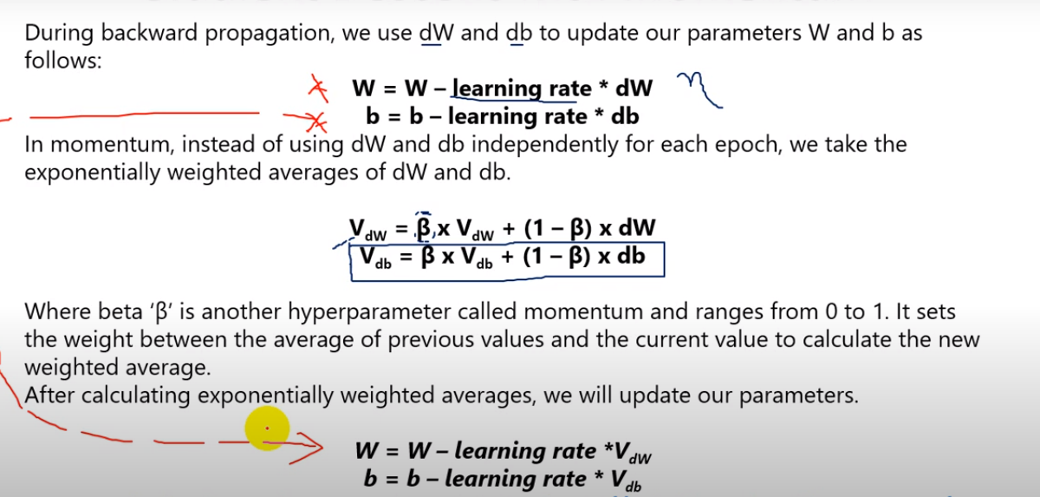
1. Intro to Deep Learning
 | AI | A technique which enable machines to mimic human behaviour
 | ML | Subset of AI technique which use statistical methods to enable machines to improve with experience
 | DL | Subset of ML which make the computation of multi layer neural network feasible
 | Basic difference in ML and DL | In ML feature selection and extraction doing itself by user In DL, feature extraction and selection doing itself by model
 | Deep Learning(simple meaning) | DL is a machine learning technique that learns features and task directly from the data, where data may by image, text, or sound
 | What is Neural ? | Neural is a biological structure in brain
 | Neural working | Dendrites: It receives signals from other neurons. It is working as single receiver.
 |  | Axon
 |  | Neuron
3. Activation Function
 | What is Activation Function ? | It is a non linear transformation that we do over the input signal
 | What Activation Function does ? | It decide whether a neuron should be activated or not
 |  | It decide whether the information that the neuron is receiving is relevant for the given information or should it be ignored
 | Types of Activation Function | 1. Linear : The function is line or linear. Therefore the output of the functions will not be confined between any range
 |  | 2. Non-Linear: It makes it easy for the model to generalize or adapt with variety of data and to differentiate between the output
 | Most populare Non Linear Activation Functions | 1. Threshold
 |  | 2. Sigmoid
 |  | 3. Tanh
 |  | 4. ReLu
 |  | 5. Leaky ReLu
 |  | 6. Softmax
 | Threshold | if x >=0 then 1 x<0 then 0
 | Sigmoid | It create probability between 0 to 1
 |  | It reduces extreme values or outliers in the data without removing them
 |  | 1/(1+exp^(-x)) if probability >=0.5 then 1 probability <0.5 then 0
 | ReLU - Rectifier linear unite | Most widely used function
 |  | Easy backpropogate the errors
 |  | Multiple layers of neurons can be activated
 |  | max(x,0)
 |  | if x>0 then x x<0 then 0 (neuron died in activation)
 | Leaky ReLU | It is improved version of ReLU
 |  | in ReLU if x>0 then x x<0 then 0
 |  | in LReLu if x>0 then x x < 0 then x (negative progress)
 | Hyperbolic Tangent or tanh | It is a hyperbolic trigonometric function.
 |  | It represent ratio between the opposite and adjecent sides of a right triangle
 |  | tanh(x) = sinh(x) / cosh(x)
 |  | It create probability between -1 to 1 if ratio >=0 then 1 ratio <0 then 0
 |  | It can deal more easily with negative numbers
 | Softmax | It is used mainly if output are in multiclass.
 |  | It compute probability distribution of an event over 'n' different events
 |  | It create probability between 0 to 1 and the sum of all probability of an output will be zero
 |  | exp(x) / sum(exp(xn))
How NN works with many neurons
 |  | It has mutiple variable and multiple inputes
 |  | Each inputes connected with all neurons
Activation Func
 |  | Each inpute strength on the all neurons would have been a different. It will not same.
x1
n1
 | Variable 1
n2
x2
y
n3
 | Variable 2

x3
n4
 | Variable 3

n5

 |  | Input Layer neurons Output Hidden Layer
4. Backpropogation
 | Backpropogation/Backward Propogation of Errors | It is a standard method of training ANN.
 | Reducing cost function | It calculate gradient of a loss function with respect to all the weights in the network.
 |  | It is a method of fine tuning the weights of neural network based on the error rate obtained in the previous iteration.
 |  | Proper fine tuning will reduce the error rates makes model more reliable by increasing its generalization
5. Bias
 | Bias | Bias is just like an intercept added in a linear equation
 |  | It is an additional parameter in the NN which is used to adjust the output along with weighted sum of the inputs to the neuron
 |  | Bias values allows you to shift the activation function to either right or left
 |  | Bias is constant while adding in all inputs
6. Gradient Descent
 | GD | It is optimization technique
 |  | It improve DL and NN based model by minimizing the cost function
 |  | GD process occures in backpropogation phase
 |  | The goal is to continuously resample the gradient of the model's parameter in the opposite direction based on weight which is updating consistently until reach global minimum function
 | Batch GD | Total number of sample selected from the data is called batch which are used to calculate gradient for each iteration hence it is called batch GD
7. Brute Force Algorithm
 | Brute Force Algorithm | It refers to a programming style that does not include any shortcuts to improve performance but instead relies on sheer computing power to try all possibilities until the solution to a problem is found.
 |  | For this algorithm, it require very high computational and powerful system
 |  | This algorithm is not helpful if the data have high variables which creates curse of dimensionality
 |  | To overcome this issue, GD will easy achieve this.
6. Stochastic Gradient Descent
 | SGD | Stochastic mean system or process linked with a random probability
 |  | In SGD, few samples are selected randomly instead of whole dataset for iteration
 | When SGD is used ? | Gradient Descent is difficult to perform when dataset have very hugh
 |  | Here We will get more than one global minimum
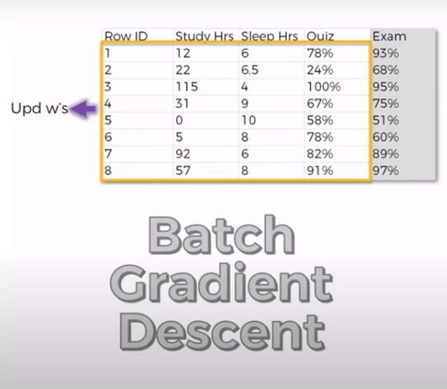
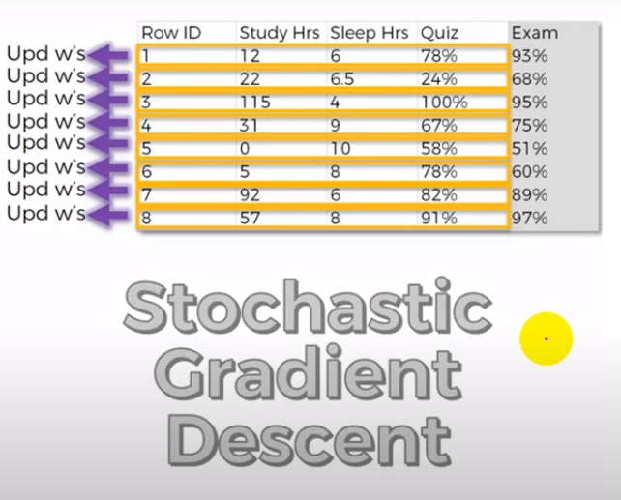

7. Mini Batch Gradient Descent
 | Mini Batch GD | It is variant of gradient descent algorithm
 |  | It splits the training dataset into small batches that are used to calculate model error and update model coefficients
8. Different Types of NN
 | Perceptron (Single layer ANN) | It is a network with two layers, one is input & one is output. It is also called single layer perceptron.
 | Artifical NN (Multilayer ANN) | It is a network which has input layer, output layer and two or more trainable weight layers. It is also called multi layer perceptron.
 | Feedforward NN | It is a network which has input layer, output layer and single hidden layer or two or more hidden layers. Data move only one direction. It is also called front propogation wave
 | Radial Basis Function | It assigns real value to each input from its domain and value produced by RBF is always an absolute value
 | Convolutional NN | It mainly used in computer vision.
 | Recurrent NN | It is a memory basd NN in which output of the previous step are fed as input to current step. It is maily used in NLP.
 | Long Term Short Term Memory
Bias & Variance Trade Off
 | Bias | In train phase We are training the model and at that time We have differences between actual points and predicted points is a bias Bias = Actual y - Predicted y
 | Variance | In testing phase We are testing new data input for prediction and at that time We have variation in linear line is a variance sum predicted values / number of predicted values
 | Under Fitting | In training phase, Actual data point is far from the predicted line it is called high bias In testing phase, predicted line vary low it is called low variance
 | OverFitting | In training phase, Actual data point is as equal to predicted line it is called low bias in testing phase, predicted line vary high it is called high variance
 | Generalized Fitting | In training phase, Actual data point is very less far from the predicted line it is called low bias in testing phase, Predicted line vary low it is called low variance
 | Irreducible error | It is an error in the data collected at the source. Noisiness and outlies introduced at the source level from data collected
Regularization
 | Regularization | It is a process of introducing additional information in order to prevent overfitting
 | Lasso
 | Ridge
Drop Out Method Regularization
 | Drop Out Method | Dropping out certain neurons in the hidden layers
 | Why We are dropping neurons ? | At the time of overfitting problem arise in model We need to drop out some neurons.
Parameter Tuning in ANN
 | Parameters | Model parameters are something that a model learns on tis own.
 |  | Weights or Coefficients of independent variables in linear regression/SVM
 |  | Split points in Decision Trees
 | Hyper Parameters | Model hyper parameters are used to optimize the model performance
 |  | Kernel and slack in SVM
 |  | Value of K in KNN
 |  | Depth of Tree in Decision Trees
Optimizer
 | What is optimizer ? | Optimizers are algorithm or methods used to change the attributes of your neural network such as weights and learning rate in order to reduce the losses.
 |  | Optimization algorithms or strategies are responsible for reducing the losses and to provide the most accurate results possible
 | Role of optimizer | Optimizer update the weight parameters to minimize the loss function. Loss function acts as guides to the train telling optimizer if it is moving in the right direction to reach the bottom of the valley, the global minimum
Gradient Descent with Momentum
 | Gradient Descent with Momentum | Mini batch gradient descent makes a parameter update with just a subset of examples the direction of the update has some variance and so the path taken by mini batch gradient descent will oscillate towards convergence. GD with momentum considers the past gradients to smooth out the update. it computes an exponentially weighted average of your gradients and then use that gradient to update your weights instead. It works faster than the standard gradient descent algorithm

